IPR
 |  |  |  | Test cases By : Firdous Mulla Module : IPR

RESEARCH TEST CASES
Scenario TID | Module | Sub module | Test scenario id | Scenario Desciption | Test Case ID | Test case description | Test input data | Steps to Execute | Expected Result | Actual Result | Status | Screenshots

1 | IPR | Type of invention | I_01 | To check Type of invention functionality | I_02_02 | To check if options in dropdown are not repeated | Portal URL: https://dev-portal.svkm.ac.in/researches/user Username: 32101198 Password: pass@123 | 1) Open the URL 2) Login with username and paasword 3) Click on research 4) Click on IPR 5) Click on '+' icon 6) Click on Type of invention | Options in dropdown should not be repeated | Options in dropdown are repeated | Fail | 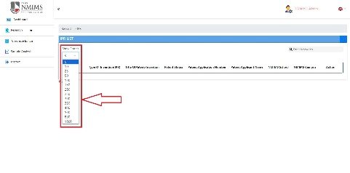 | Done | Bug fixed
2 | IPR | Type of invention | I_01 | To check Type of invention functionality | I_02_03 | To check if deselect option is available | Portal URL: https://dev-portal.svkm.ac.in/researches/user Username: 32101198 Password: pass@123 | 1) Open the URL 2) Login with username and paasword 3) Click on research 4) Click on IPR 5) Click on '+' icon 6) Click on Type of invention | Deselect option should be available | Deselect option is not available | Fail | 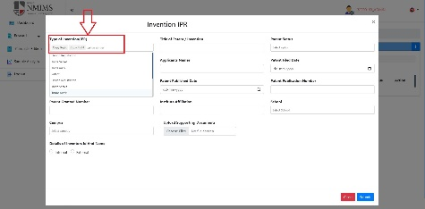 | Done | Bug fixed
3 | IPR | Title of patent/ invention | I_02 | To check Title of patent/invention functionality | I_03_01 | To check if correct error message is displayed when numeric value is entered | Portal URL: https://dev-portal.svkm.ac.in/researches/user Username: 32101198 Password: pass@123 | 1) Open the URL 2) Login with username and paasword 3) Click on research 4) Click on IPR 5) Click on '+' icon 6) Click on Type of invention 7) Click on Title of patent/invention | Error message should be displayed stating numeric values not accepted | Error message This field is required and min length > 1. is displayed | Fail |  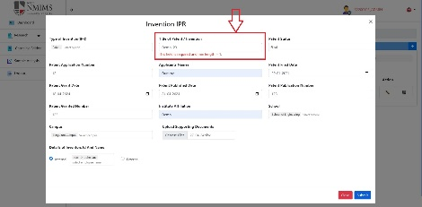 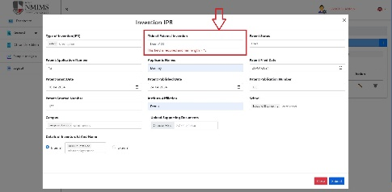 | Done | Not Fixed | 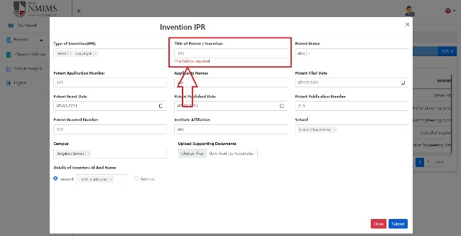 | Error message This field is mandatory is displaying whereas it should display something as Numeric values not accepted
4 | IPR | Title of patent/ invention | I_02 | To check Title of patent/invention functionality | I_03_02 | To check if it accepts alpha numeric values | Portal URL: https://dev-portal.svkm.ac.in/researches/user Username: 32101198 Password: pass@123 | 1) Open the URL 2) Login with username and paasword 3) Click on research 4) Click on IPR 5) Click on '+' icon 6) Click on Type of invention 7) Click on Title of patent/invention | It should accept alpha numeric values | Alpha numeric values are not getting accepted | Fail | 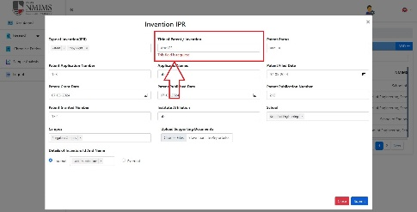
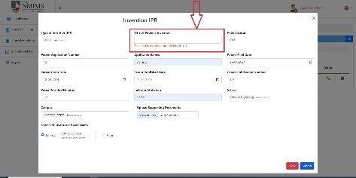
5 | IPR | Title of patent/ invention | I_02 | To check Title of patent/invention functionality | I_03_04 | To check if correct error message is displayed when special character is entered | Portal URL: https://dev-portal.svkm.ac.in/researches/user Username: 32101198 Password: pass@123 | 1) Open the URL 2) Login with username and paasword 3) Click on research 4) Click on IPR 5) Click on '+' icon 6) Click on Type of invention 7) Click on Title of patent/invention | Error message should be displayed stating special charachter not accepted | Error message This field is required and min length > 1. is displayed | Fail | 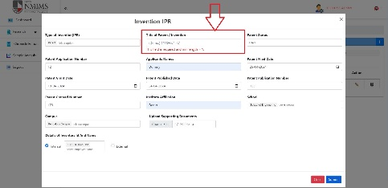 | Done | Not Fixed | 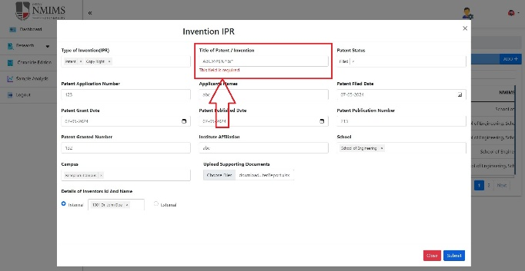 | Error message This field is mandatory is displaying whereas it should display something as Special characters not accepted

6 | IPR | Patent applicant name | I_03 | To check patent applicant name funcionality | I_06_01 | To check if applicant name accepts alpha numeric values | Portal URL: https://dev-portal.svkm.ac.in/researches/user Username: 32101198 Password: pass@123 | 1) Open the URL 2) Login with username and paasword 3) Click on research 4) Click on IPR 5) Click on '+' icon 6) Click on Type of invention 7) Click on Title of patent/invention 8) Click on Patent Status 9) Click on patent application number 10) Click on patent applicant name | Alpha Numeric value should not be accepted | Alpha Numeric value gets accepted | 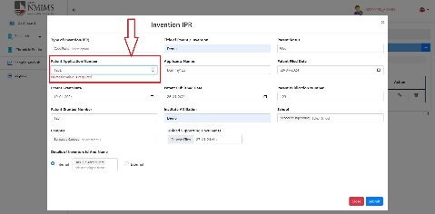 Fail |   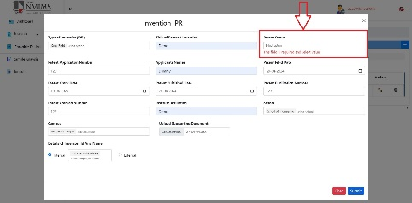 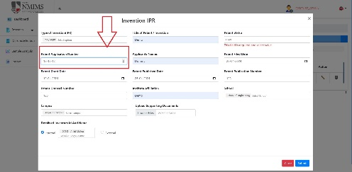 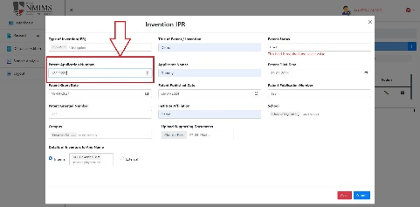 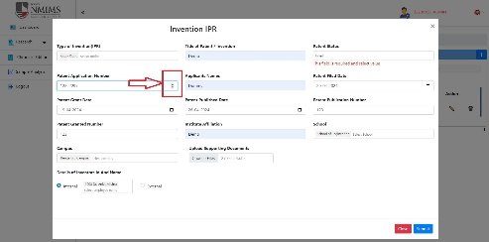 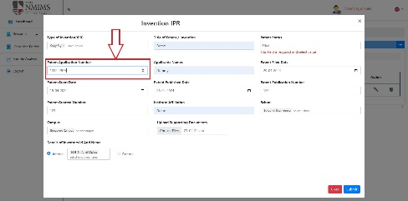 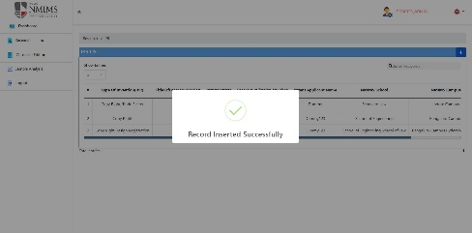 | Done | Fixed
7 | IPR | Patent applicant name | I_03 | To check patent applicant name funcionality | I_06_02 | To check if applicant name accepts special characters | Portal URL: https://dev-portal.svkm.ac.in/researches/user Username: 32101198 Password: pass@123 | 1) Open the URL 2) Login with username and paasword 3) Click on research 4) Click on IPR 5) Click on '+' icon 6) Click on Type of invention 7) Click on Title of patent/invention 8) Click on Patent Status 9) Click on patent application number 10) Click on patent applicant name | Special characters should not be accepted | Special characters are being accepted | Fail | 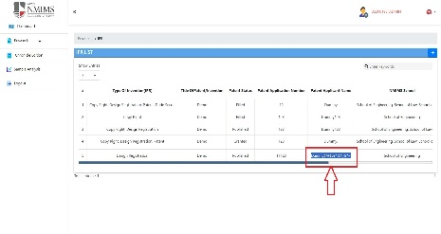 | Done | Fixed
8 | IPR | Patent applicant name | I_03 | To check patent applicant name funcionality | I_06_03 | To check if applicant name accepts numbers | Portal URL: https://dev-portal.svkm.ac.in/researches/user Username: 32101198 Password: pass@123 | 1) Open the URL 2) Login with username and paasword 3) Click on research 4) Click on IPR 5) Click on '+' icon 6) Click on Type of invention 7) Click on Title of patent/invention 8) Click on Patent Status 9) Click on patent application number 10) Click on patent applicant name | Numeric value should not be accepted | Numeric value gets accepted | Fail | 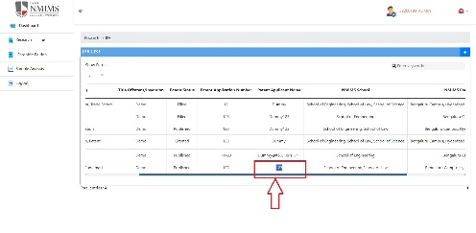 | Done | Fixed
9 | IPR | Patent applicant name | I_03 | To check patent applicant name funcionality | I_06_04 | To check if correct error message is displayed if only nimbers are entered | Portal URL: https://dev-portal.svkm.ac.in/researches/user Username: 32101198 Password: pass@123 | 1) Open the URL 2) Login with username and paasword 3) Click on research 4) Click on IPR 5) Click on '+' icon 6) Click on Type of invention 7) Click on Title of patent/invention 8) Click on Patent Status 9) Click on patent application number 10) Click on patent applicant name | Error message Numeric value not accepted should be displayed | Error message This field is mandatory is displayed | Fail | 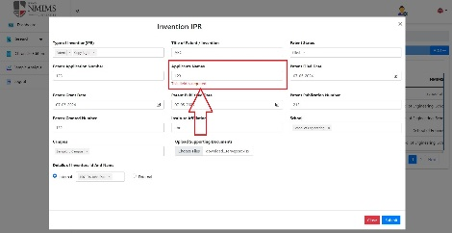
10 | IPR | Patent applicant name | I_03 | To check patent applicant name funcionality | I_06_05 | To check if correct error message is displayed if special characters are entered | Portal URL: https://dev-portal.svkm.ac.in/researches/user Username: 32101198 Password: pass@123 | 1) Open the URL 2) Login with username and paasword 3) Click on research 4) Click on IPR 5) Click on '+' icon 6) Click on Type of invention 7) Click on Title of patent/invention 8) Click on Patent Status 9) Click on patent application number 10) Click on patent applicant name | Error message Special charachters not accepted should be displayed | Error message This field is mandatory is displayed | Fail | 
11 | IPR | Patent applicant name | I_03 | To check patent applicant name funcionality | I_06_06 | To check if correct error message is displayed if alpha numeric are entered | Portal URL: https://dev-portal.svkm.ac.in/researches/user Username: 32101198 Password: pass@123 | 1) Open the URL 2) Login with username and paasword 3) Click on research 4) Click on IPR 5) Click on '+' icon 6) Click on Type of invention 7) Click on Title of patent/invention 8) Click on Patent Status 9) Click on patent application number 10) Click on patent applicant name | Error message alpha numeric not accepted should be displayed | Error message This field is mandatory is displayed | Fail | 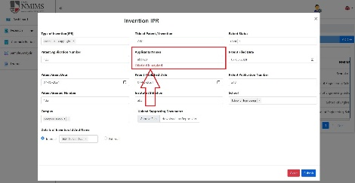
12 | IPR | Patent filed date | I_04 | To check patent filed date functionality | I_07_03 | To check if it accepts patent filed date greater than patent granted and patent published date | Portal URL: https://dev-portal.svkm.ac.in/researches/user Username: 32101198 Password: pass@123 | 1) Open the URL 2) Login with username and paasword 3) Click on research 4) Click on IPR 5) Click on '+' icon 6) Click on Type of invention 7) Click on Title of patent/invention 8) Click on Patent Status 9) Click on patent application number 10) Click on patent applicant name 11) Click on date in patent filed date | Patent filed date should not be accepted greater than patent grant date and published date | Patent filed date is accepted greater than patent grant date and published date | Fail | 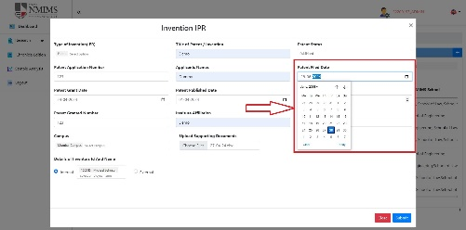 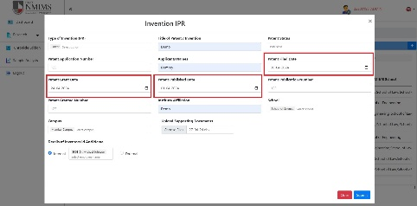 | Not Applicable

13 | IPR | Patent grant date | I_05 | To check patent grant date functionality | I_08_03 | To check if patent grant date is accepted smaller than patent filed date | Portal URL: https://dev-portal.svkm.ac.in/researches/user Username: 32101198 Password: pass@123 | 1) Open the URL 2) Login with username and paasword 3) Click on research 4) Click on IPR 5) Click on '+' icon 6) Click on Type of invention 7) Click on Title of patent/invention 8) Click on Patent Status 9) Click on patent application number 10) Click on patent applicant name 11) Click on date in patent filed date 12) Click on date of patent grant date | Patent grant date should not be accepted smaller than patent filed date | Patent grant date is accepted smaller than patent filed date | Fail |  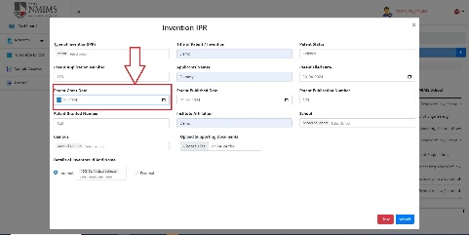 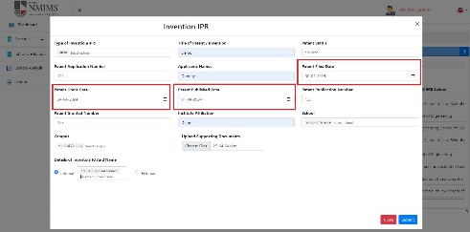 | Not Applicable
14 | IPR | Patent grant date | I_05 | To check patent grant date functionality | I_08_04 | To check if patent grant date is accepted greater than patent published date | Portal URL: https://dev-portal.svkm.ac.in/researches/user Username: 32101198 Password: pass@123 | 1) Open the URL 2) Login with username and paasword 3) Click on research 4) Click on IPR 5) Click on '+' icon 6) Click on Type of invention 7) Click on Title of patent/invention 8) Click on Patent Status 9) Click on patent application number 10) Click on patent applicant name 11) Click on date in patent filed date 12) Click on date of patent grant date | Patent grant date should not be accepted greater than patent published date | Patent grant date is accepted greater than patent published date | Fail |  | Not Applicable

15 | IPR | Patent publish date | I_06 | To check patent publish date functionality | I_09_03 | To check if patent publish date is accepted smaller than patent filed date and patent grant dtae | Portal URL: https://dev-portal.svkm.ac.in/researches/user Username: 32101198 Password: pass@123 | 1) Open the URL 2) Login with username and paasword 3) Click on research 4) Click on IPR 5) Click on '+' icon 6) Click on Type of invention 7) Click on Title of patent/invention 8) Click on Patent Status 9) Click on patent application number 10) Click on patent applicant name 11) Click on date in patent filed date 12) Click on date of patent grant date 13) Click on date of patent publish date | Patent publish date should not be accepted smaller than patent filed date and patent grant date | Patent publish date is accepted smaller than patent filed date and patent grant date | Fail |  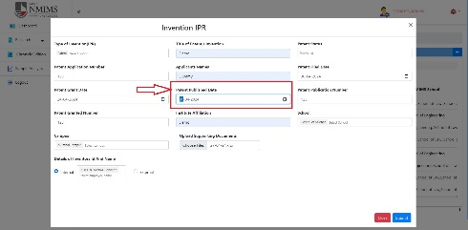 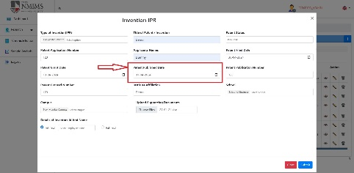 | Not Applicable

16 | IPR | Details of inventors id and name | I_07 | To check insert faculty details button functionality | I_07_01 | To check if insert faculty details button is working properly | Portal URL: https://dev-portal.svkm.ac.in/researches/user Username: 32101198 Password: pass@123 | 1) Open the URL 2) Login with username and paasword 3) Click on research 4) Click on IPR 5) Click on '+' icon 6) Click on Type of invention 7) Click on Title of patent/invention 8) Click on Patent Status 9) Click on patent application number 10) Click on patent applicant name 11) Click on date in patent filed date 12) Click on date of patent grant date 13) Click on date of patent publish date 14) Click on external 15) Fill all details 16) Click on Insert faculty details | Insert faculty details button should work and display the details filled | Insert faculty details button is not working | Fail | https://screenrec.com/share/ajQKTP7mNO
17 | IPR | Details of inventors id and name | I_07 | To check if faculty name accepts numeric value | I_07_02 | To check if faculty name accepts numeric value | Portal URL: https://dev-portal.svkm.ac.in/researches/user Username: 32101198 Password: pass@123 | 1) Open the URL 2) Login with username and paasword 3) Click on research 4) Click on IPR 5) Click on '+' icon 6) Click on Type of invention 7) Click on Title of patent/invention 8) Click on Patent Status 9) Click on patent application number 10) Click on patent applicant name 11) Click on date in patent filed date 12) Click on date of patent grant date 13) Click on date of patent publish date 14) Click on external 15) Fill faculty name | Faculty name should not accept numeric value | Faculty name accepts numeric value | Fail | 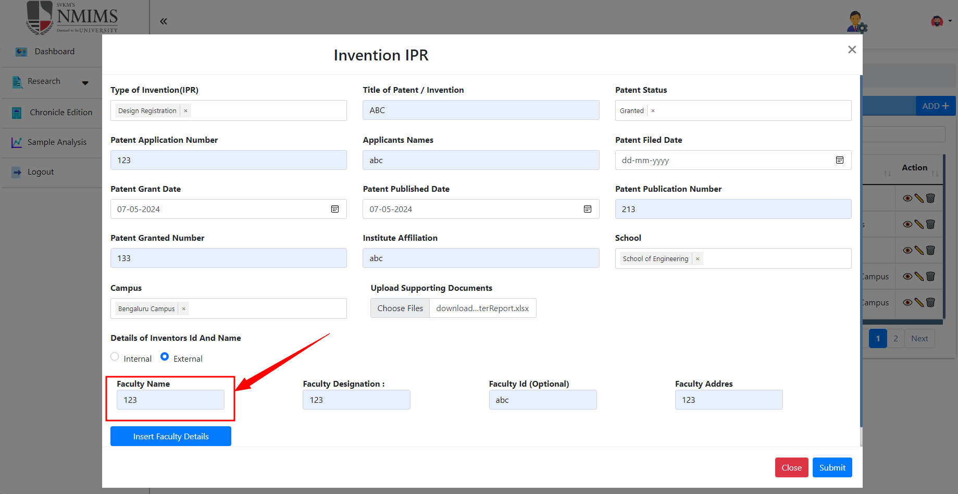
18 | IPR | Details of inventors id and name | I_07 | To check if faculty name accepts special character except dot | I_07_03 | To check if faculty name accepts Special character except dot | Portal URL: https://dev-portal.svkm.ac.in/researches/user Username: 32101198 Password: pass@123 | 1) Open the URL 2) Login with username and paasword 3) Click on research 4) Click on IPR 5) Click on '+' icon 6) Click on Type of invention 7) Click on Title of patent/invention 8) Click on Patent Status 9) Click on patent application number 10) Click on patent applicant name 11) Click on date in patent filed date 12) Click on date of patent grant date 13) Click on date of patent publish date 14) Click on external 15) Fill faculty name | Faculty name should not accept special character except dot | Faculty name accepts special character except dot | Fail | 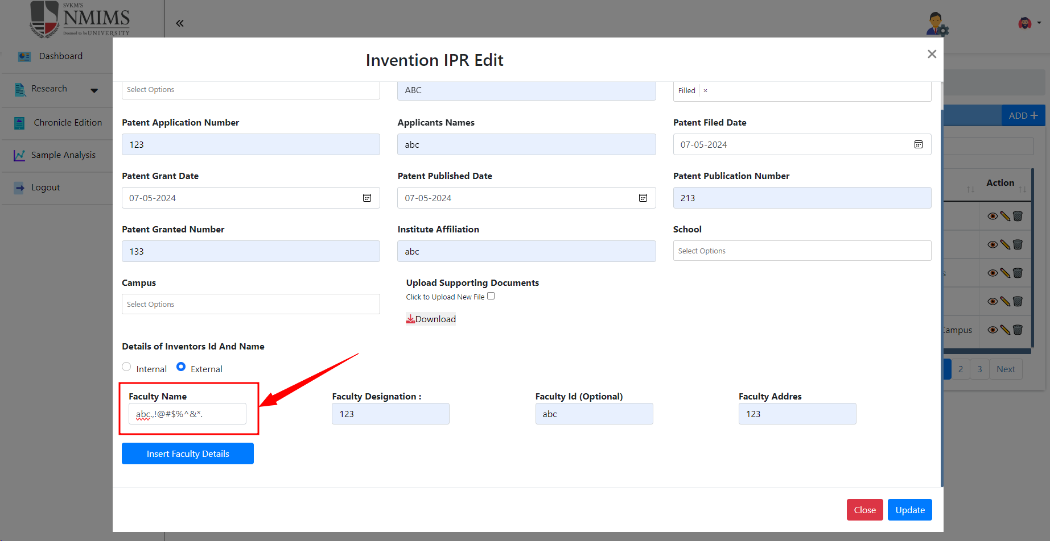
19 | IPR | Details of inventors id and name | I_08 | To check faculty designation functionality | I_08_01 | To check if faculty designation accepts numeric value | Portal URL: https://dev-portal.svkm.ac.in/researches/user Username: 32101198 Password: pass@123 | 1) Open the URL 2) Login with username and paasword 3) Click on research 4) Click on IPR 5) Click on '+' icon 6) Click on Type of invention 7) Click on Title of patent/invention 8) Click on Patent Status 9) Click on patent application number 10) Click on patent applicant name 11) Click on date in patent filed date 12) Click on date of patent grant date 13) Click on date of patent publish date 14) Click on external 15) Fill faculty name 16) Fill faculty designation | Faculty designation should not accept numeric value | Faculty designation accepts numeric value | Fail | 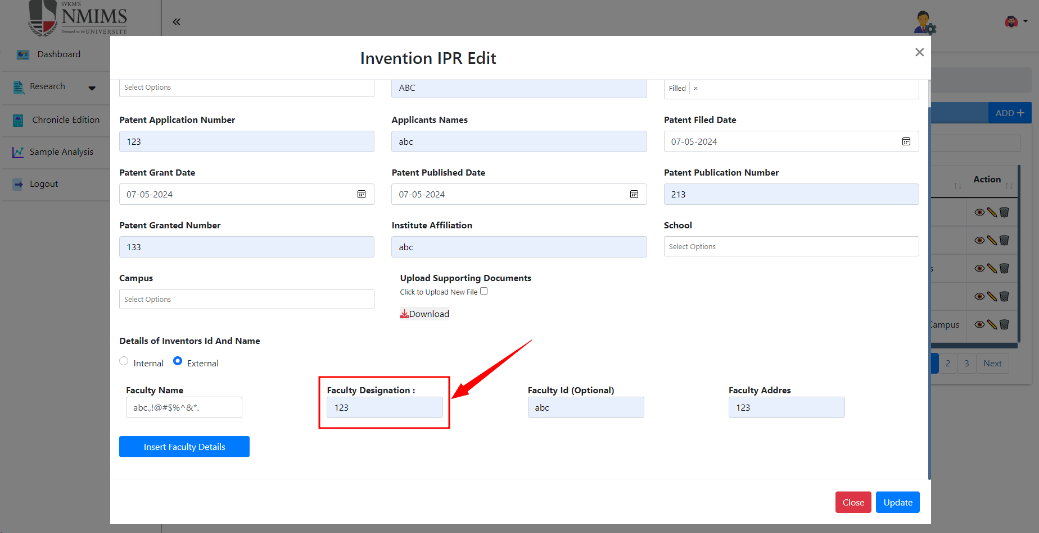
20 | IPR | Details of inventors id and name | I_08 | To check faculty designation functionality | I_08_02 | To check if faculty designation accepts Special character except dot | Portal URL: https://dev-portal.svkm.ac.in/researches/user Username: 32101198 Password: pass@123 | 1) Open the URL 2) Login with username and paasword 3) Click on research 4) Click on IPR 5) Click on '+' icon 6) Click on Type of invention 7) Click on Title of patent/invention 8) Click on Patent Status 9) Click on patent application number 10) Click on patent applicant name 11) Click on date in patent filed date 12) Click on date of patent grant date 13) Click on date of patent publish date 14) Click on external 15) Fill faculty name 16) Fill faculty designation | Faculty designation should not accept Special character except dot | Faculty designation accepts Special character except dot | Fail | 
21 | IPR | Details of inventors id and name | I_08 | To check faculty name functionality | I_08_03 | To check if it accepts blank faculty name | Portal URL: https://dev-portal.svkm.ac.in/researches/user Username: 32101198 Password: pass@123 | 1) Open the URL 2) Login with username and paasword 3) Click on research 4) Click on IPR 5) Click on '+' icon 6) Click on Type of invention 7) Click on Title of patent/invention 8) Click on Patent Status 9) Click on patent application number 10) Click on patent applicant name 11) Click on date in patent filed date 12) Click on date of patent grant date 13) Click on date of patent publish date 14) Click on external 15) Fill faculty name | faculty name should not be accepted blank | faculty name is accepted blank | Fail | 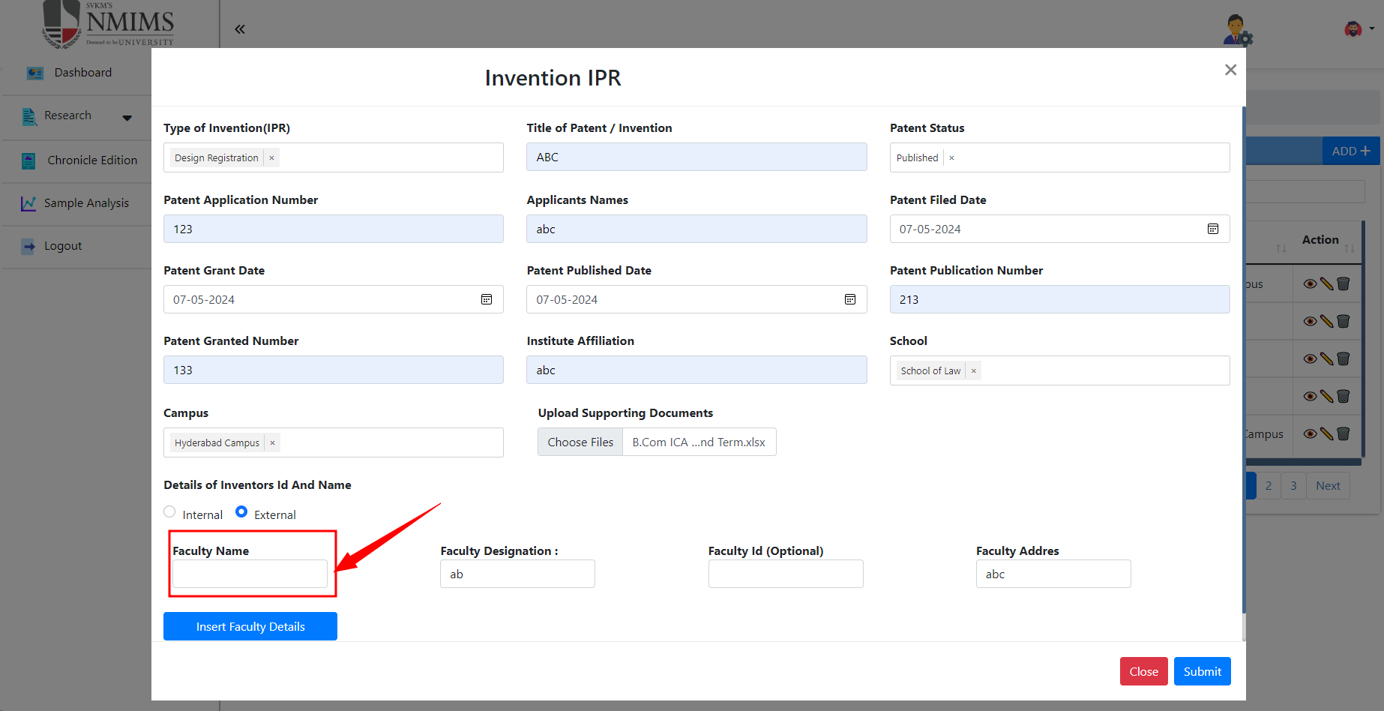
22 | IPR | Details of inventors id and name | I_08 | To check faculty designation functionality | I_08_04 | To check if it accepts blank faculty designation | Portal URL: https://dev-portal.svkm.ac.in/researches/user Username: 32101198 Password: pass@123 | 1) Open the URL 2) Login with username and paasword 3) Click on research 4) Click on IPR 5) Click on '+' icon 6) Click on Type of invention 7) Click on Title of patent/invention 8) Click on Patent Status 9) Click on patent application number 10) Click on patent applicant name 11) Click on date in patent filed date 12) Click on date of patent grant date 13) Click on date of patent publish date 14) Click on external 15) Fill faculty name 16) Fill faculty designation | faculty designation should not be accepted blank | faculty designation is accepted blank | Fail | 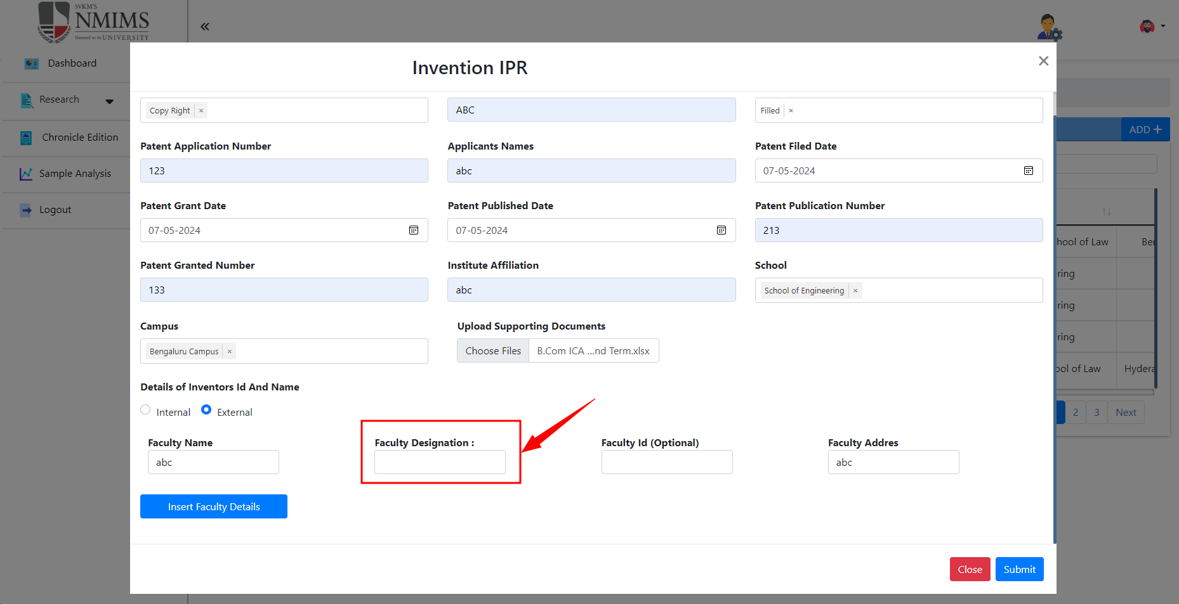
23 | IPR | Details of inventors id and name | I_08 | To check faculty address functionality | I_08_05 | To check if it accepts blank faculty address | Portal URL: https://dev-portal.svkm.ac.in/researches/user Username: 32101198 Password: pass@123 | 1) Open the URL 2) Login with username and paasword 3) Click on research 4) Click on IPR 5) Click on '+' icon 6) Click on Type of invention 7) Click on Title of patent/invention 8) Click on Patent Status 9) Click on patent application number 10) Click on patent applicant name 11) Click on date in patent filed date 12) Click on date of patent grant date 13) Click on date of patent publish date 14) Click on external 15) Fill faculty name 16) Fill faculty designation 17) Fill faculty address | faculty address should not be accepted blank | faculty address is accepted blank | Fail | 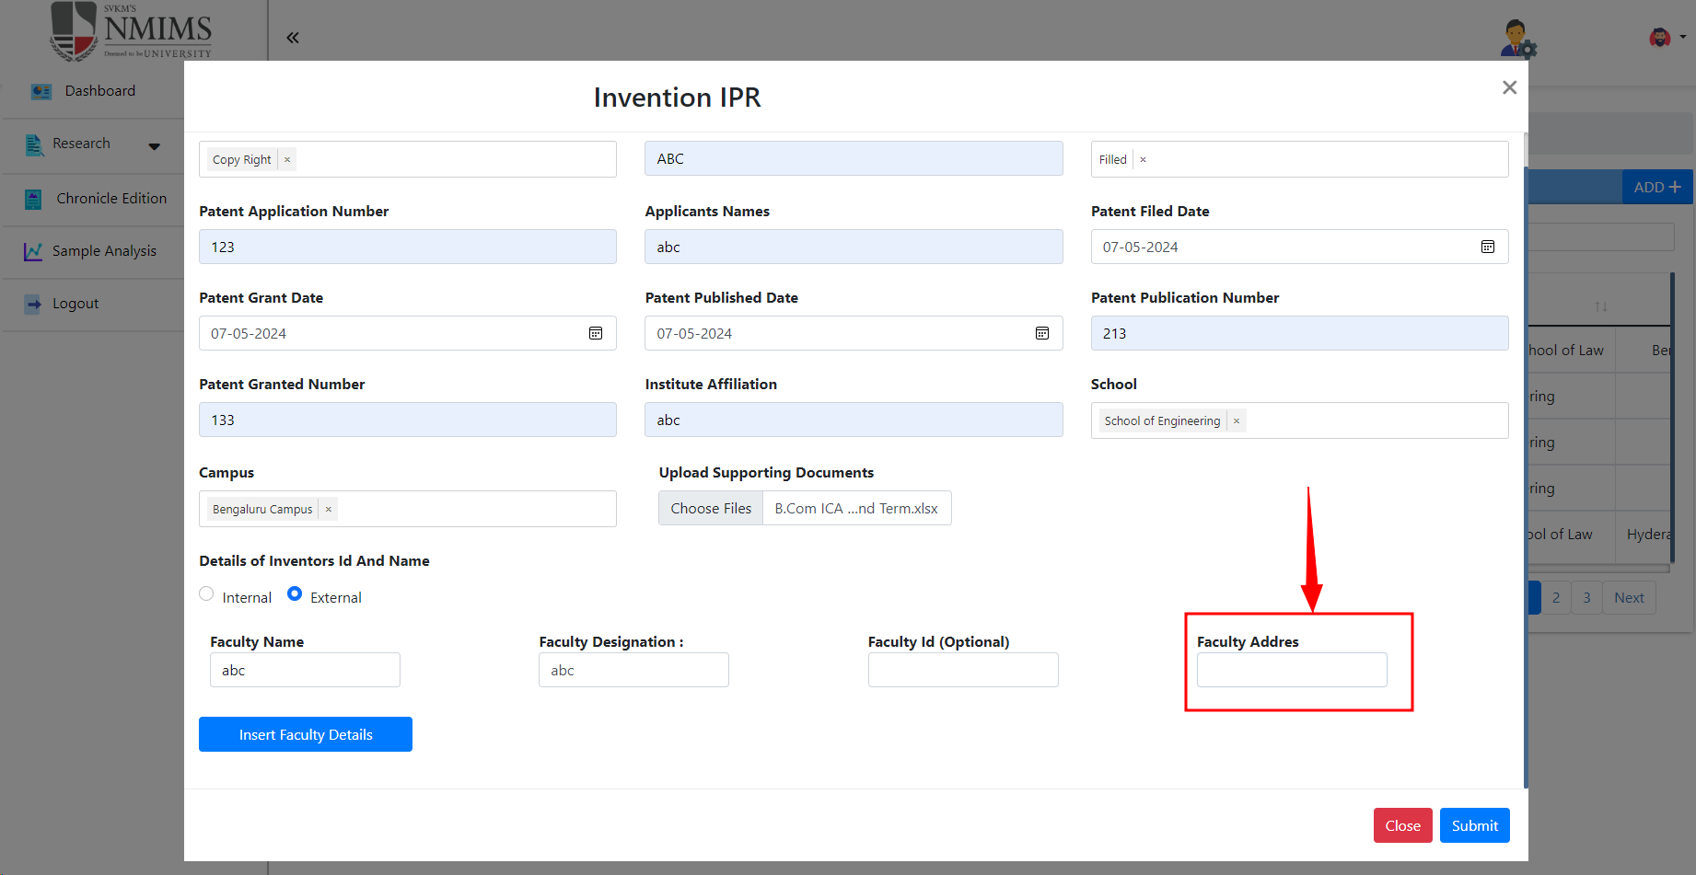
24 | IPR | Details of inventors id and name | I_08 | To check faculty address functionality | I_08_06 | To check if address spelling is correct | Portal URL: https://dev-portal.svkm.ac.in/researches/user Username: 32101198 Password: pass@123 | 1) Open the URL 2) Login with username and paasword 3) Click on research 4) Click on IPR 5) Click on '+' icon 6) Click on Type of invention 7) Click on Title of patent/invention 8) Click on Patent Status 9) Click on patent application number 10) Click on patent applicant name 11) Click on date in patent filed date 12) Click on date of patent grant date 13) Click on date of patent publish date 14) Click on external 15) Fill faculty name 16) Fill faculty designation 17) Fill faculty address | Faculty address spelling should be ADDRESS | Faculty address spelling is ADDRES | Fail
25 | IPR | Title of patent invention | I_09 | To check if it is written correctly in table header | I_09_01 | To check if spacing is correct between Title of patent invention | Portal URL: https://dev-portal.svkm.ac.in/researches/user Username: 32101198 Password: pass@123 | 1) Open the URL 2) Login with username and paasword 3) Click on research 4) Click on IPR | Spacing between title of patent invention should be correct | Spacing between title of patent invention is not correct | Fail | 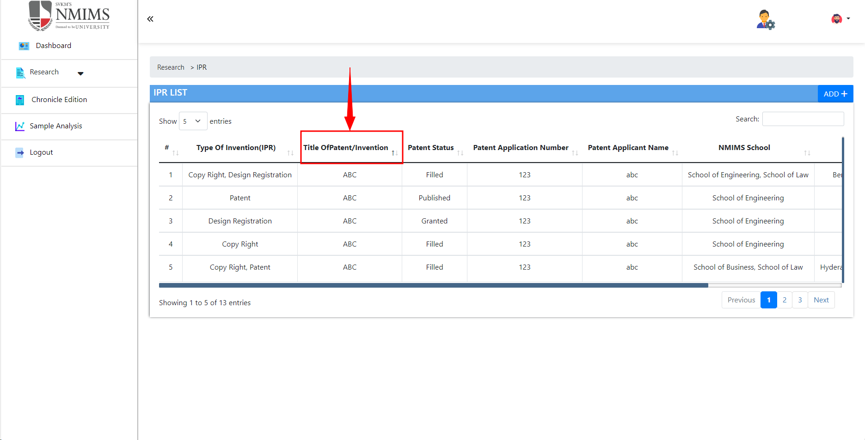
26 | IPR | View in action column | I_10 | To check view button functionality | I_10_01 | To check if form is open when click on view | Portal URL: https://dev-portal.svkm.ac.in/researches/user Username: 32101198 Password: pass@123 | 1) Open the URL 2) Login with username and paasword 3) Click on research 4) Click on IPR 5) Click on eye icon in action column | Form should be open with all details filled | Form is not opened with all details filled | Fail | 